Sheet1
Test Scenario | Test Case Id | Test Case Name | Preconditions | Test Case Steps | Expected Result | Priority | Run Result | Test Data | Screenshots
Check the "Login" page functionality with valid parameters | 1 | Check "Login" functionality by using valid username and valid password | The user must be registered beforehand | 1. Go to "Login" page. 2. Enter valid username. 3. Enter valid password. 4. Press "Log in". | The "Login" should be successful | High | Pass | username: Herm1 password: 12345678
 | 2 | Check the "Login" functionality by using invalid username and invalid password | The user must be registered beforehand | 1. Go to "Login" page. 2. Enter invalid username. 3. Enter invalid password. 4. Press "Log in". | A message indicating that the username or the password is wrong should appear | High | Pass | username: Herm11 password: 123456789
 | 3 | Check the "Login" functionality by using invalid username and valid password | The user must be registered beforehand | 1. Go to "Login" page. 2. Enter invalid username. 3. Enter valid password. 4. Press "Log in". | A message indicating that the username or the password is wrong should appear | High | Pass | username: Herm11 password: 12345678
 | 4 | Check the "Login" functionality by using valid username and invalid password | The user must be registered beforehand | 1. Go to "Login" page. 2. Enter valid username. 3. Enter invalid password. 4. Press "Log in". | A message indicating that the username or the password is wrong should appear | High | Pass | username: Herm1 password: 123456789
Check the Forget password link | 5 | Check if the "Forgot password" link is active | The user must be registered beforehand | 1. Go to ""Login"" page 2. Press "Forgot password" | Forgot Password or Chnge Password screen should appear | High | Pass | -
Check the Forget password page functionality with valid parameters | 6 | Check Forgot password functionality with valid e-mail | The user must be registered beforehand | 1. Go to ""Login"" page 2. Press "Forgot password" 3. Enter valid E-mail 4. Press "Send code" | A code should be sent to the indicated e-mail | High | Fail | hemkamkrtchyan@gmail.com | 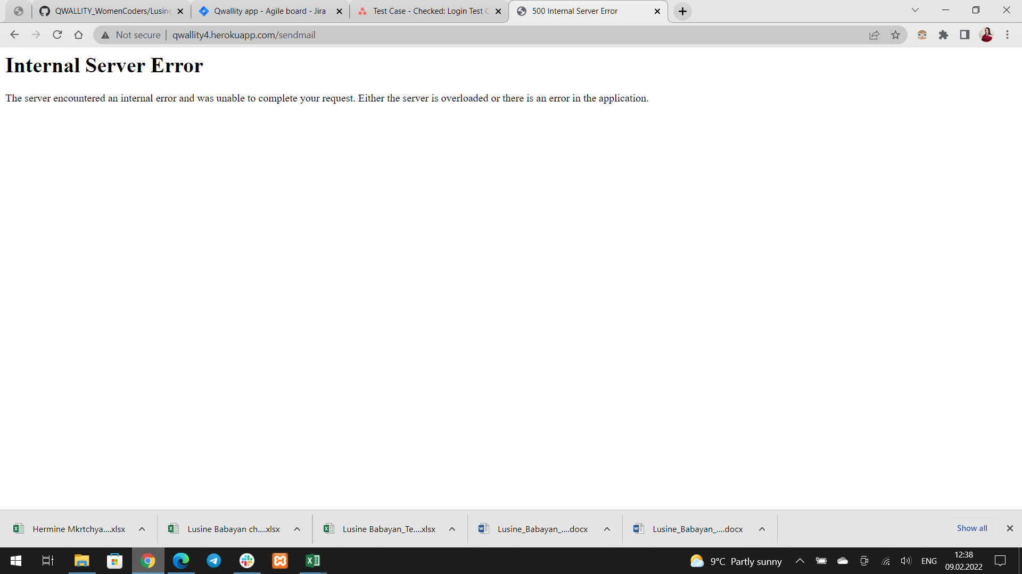
 | 7 | Check Forgot password functionality with invalid e-mail | The user must be registered beforehand | 1. Go to ""Login"" page 2. Press "Forgot password" 3. Enter invalid E-mail 4. Press "Send code" | A message indicating that the e-mail is not registered or the email format is wrong should appear | High | Pass | hemkamkrtchyan@gmail.co
Check the Change password page functionality with valid parameters | 8 | Check "Change password" functionality with valid e-mail | The user must be registered beforehand | 1. Go to ""Login"" page 2. Press "Forgot password" 3. Enter valid e-mail 4. Press Change password | An "Create New Password" page should open. And a code should be sent to the indicated e-mail | High | Fail (The code is not sent to the e-mail) | hemkamkrtchyan@gmail.com
 | 9 | Check "Change password" functionality with invalid e-mail | The user must be registered beforehand | 1. Go to ""Login"" page 2. Press "Forgot password" 3. Enter invalid e-mail 4. Press Change password | A message indicating that the e-mail is not registered or the email format is wrong should appear | High | Fail | hemkamkrtchyan@gmail.co

